Sheet1
 |  | Document No. | Issue No. | Issue Date |  | Review and Replace Date |  | Authorised By
 |  | GFF036MC | 3 | 06.11.2018 |  | 08.10.2020
 |  | Document Title | 12 Vegetarian Indian Selection 260g
 |  | Tray changed to clear |  |  | Page |  | 1 of 1 | Magda Shah
Document amendments reason for change |  |  |  |  | Previous Issue Date |  | 11.11.2019 | Uncontrolled copy unless signed original

CINS1C-R1TEB | BOOTHS - XMAS |  | 12 VEGETARIAN INDIAN SELECTION 260g
STEP 1 |  |  |  |  | STEP 2
 |  |  |  |  | 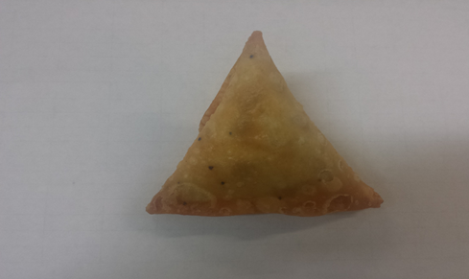

Tray: SK4 Plain Clear (PKESS001-07) |  |  |  |  | 4 x Veg Samosa Cocktail Seeded (GFF003R) 25g
LINE 2: ME410AFV2, 410mm wide x 1000m linear PET Antifog WELD seal (PKRPO001-12)
STEP 3
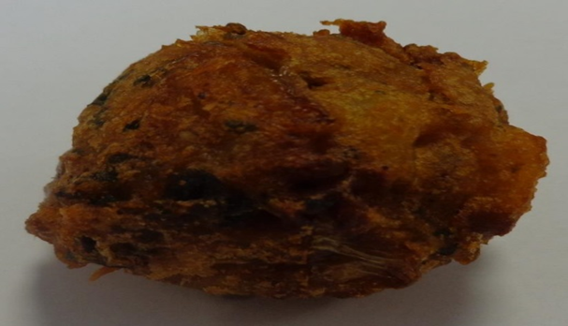 |  |  | 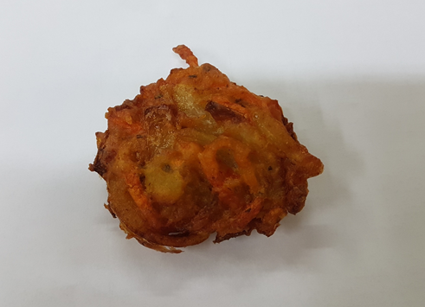 |  |  |  | 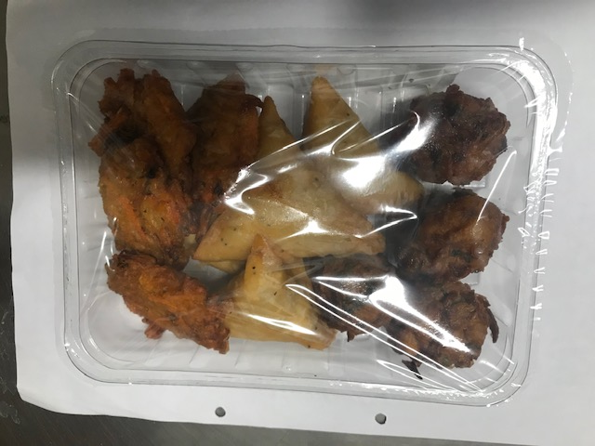

4 x Spinach Pakora (GFF033R) 20g BALL SHAPE |  |  | 4 x Carrot & Coriander Bhaji (GFF184R) 20g FLAT |  |  |  | TOTAL WEIGHT: 260g

ALLERGY ALERT: WHEAT, SULPHITES

